Fee Methodology
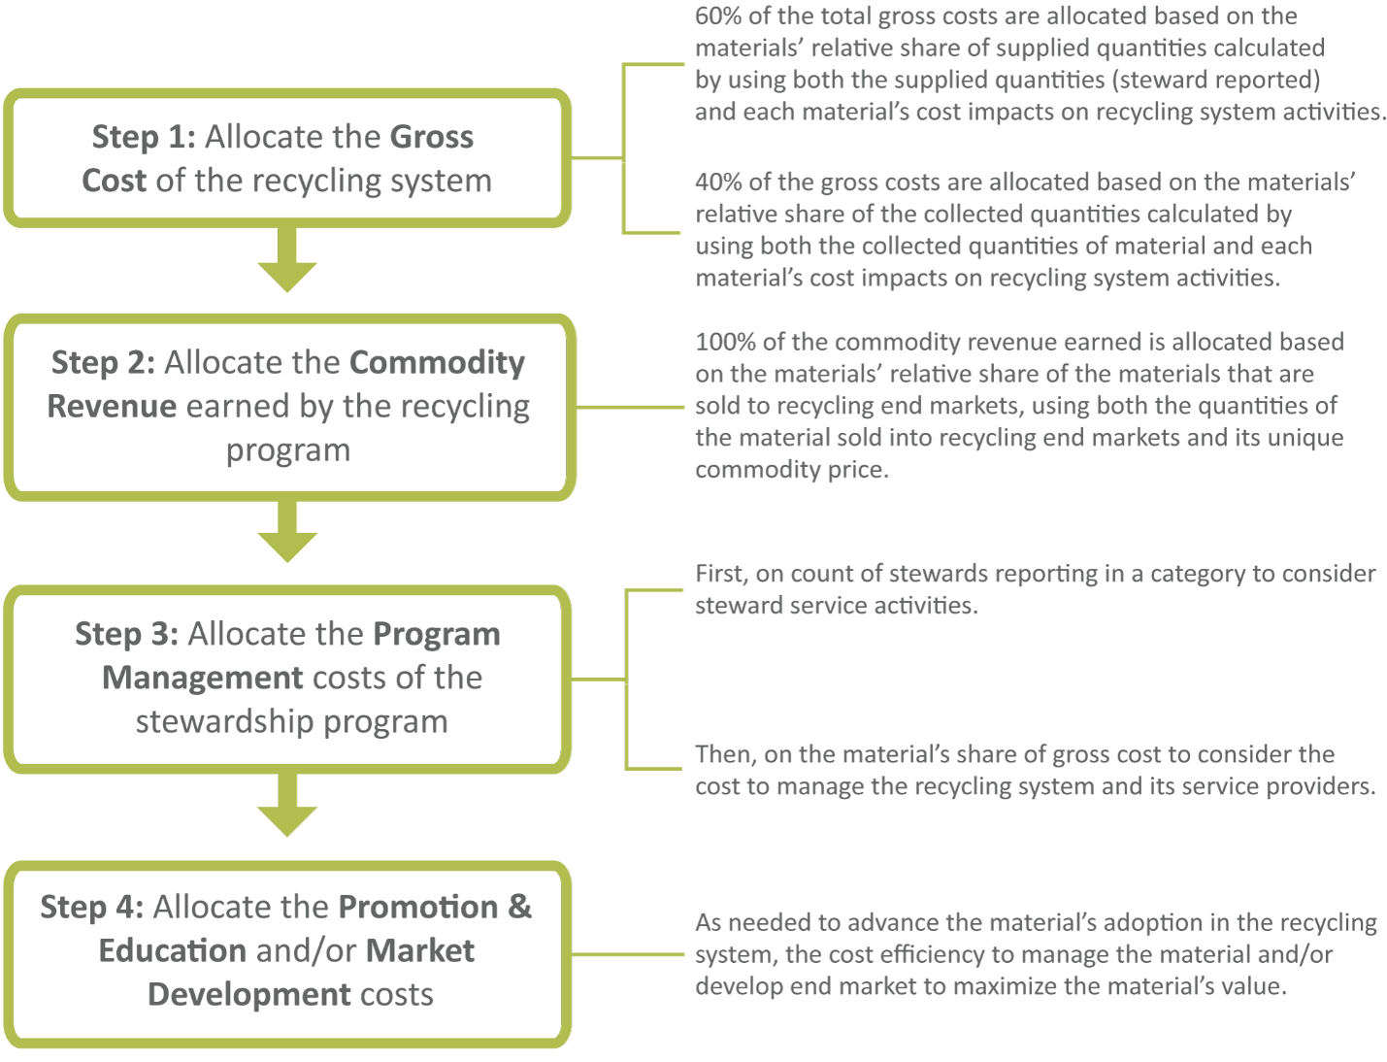
Fee Methodology

The fee methodology is based on the following set of steps:

